Script
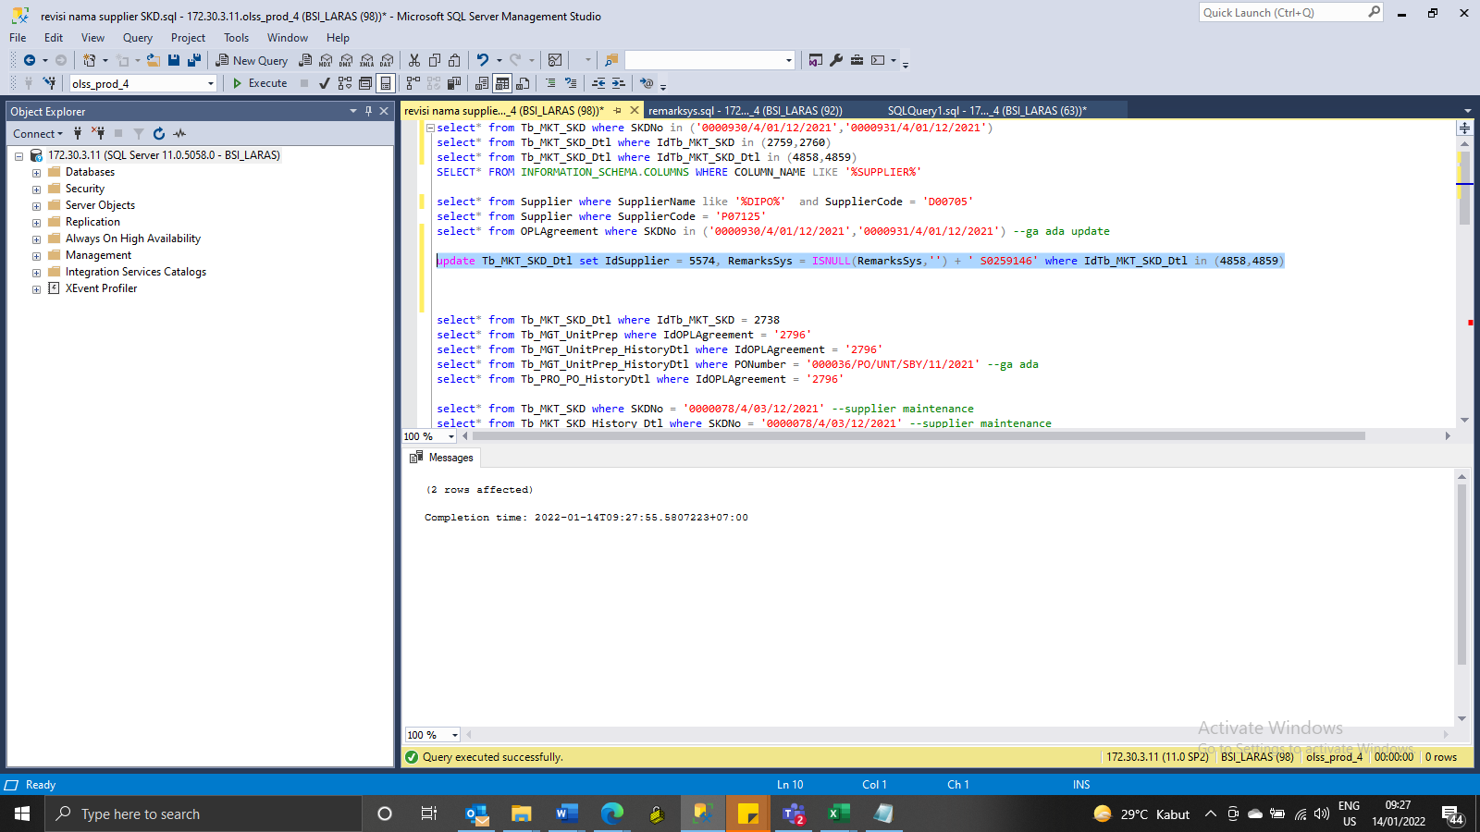
update Tb_MKT_SKD_Dtl set IdSupplier = 5574, RemarksSys = ISNULL(RemarksSys,'') + ' S0259146' where IdTb_MKT_SKD_Dtl in (4858,4859)

Screenshot
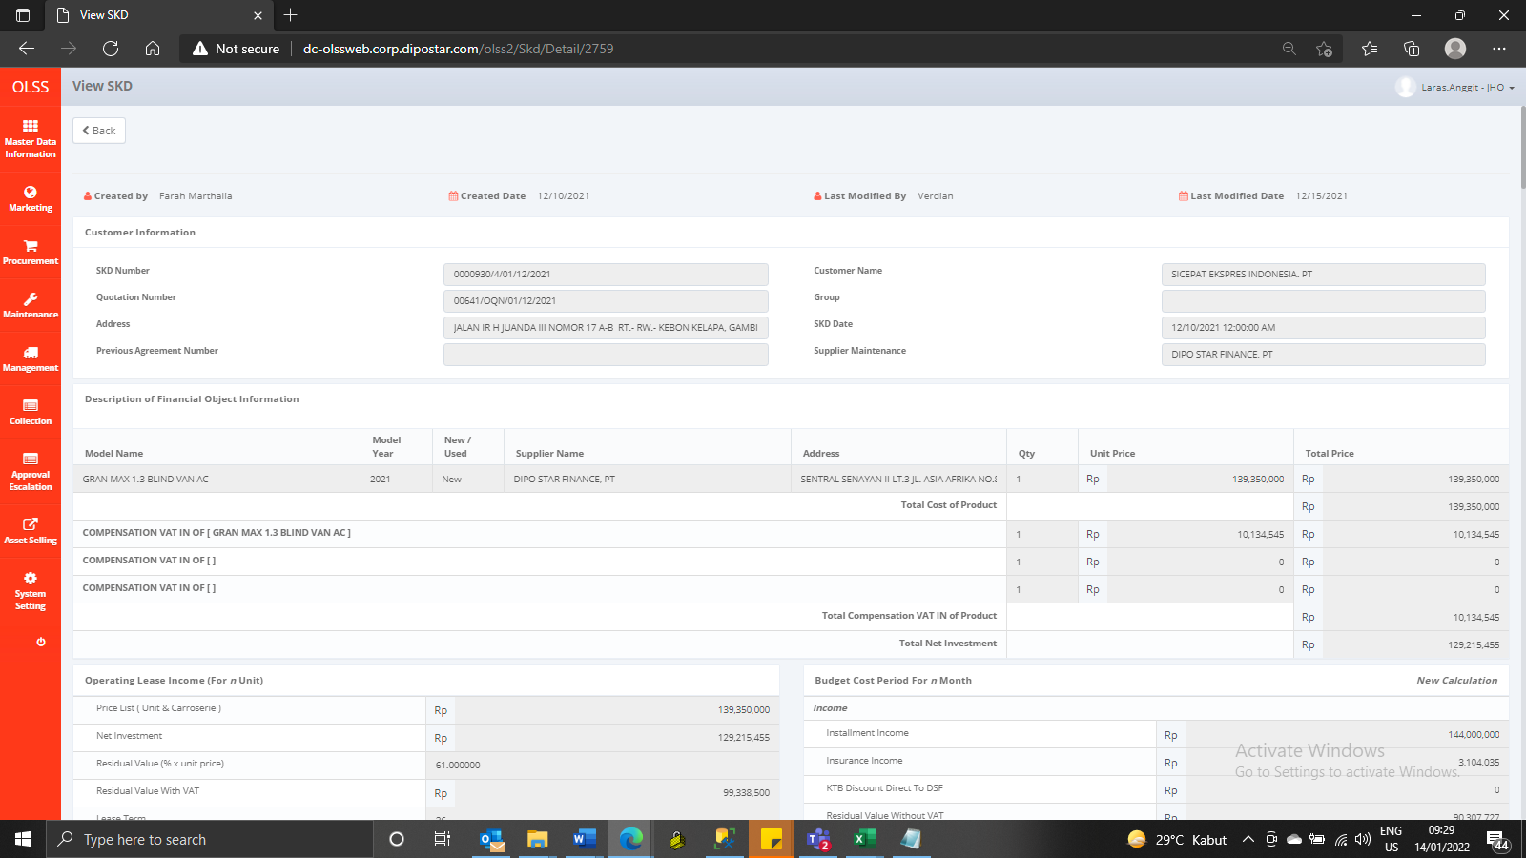

BEFORE



AFTER

